Sayfa1
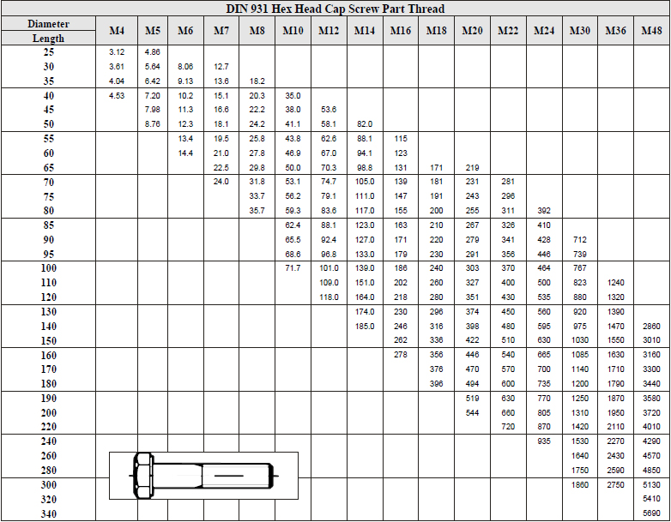
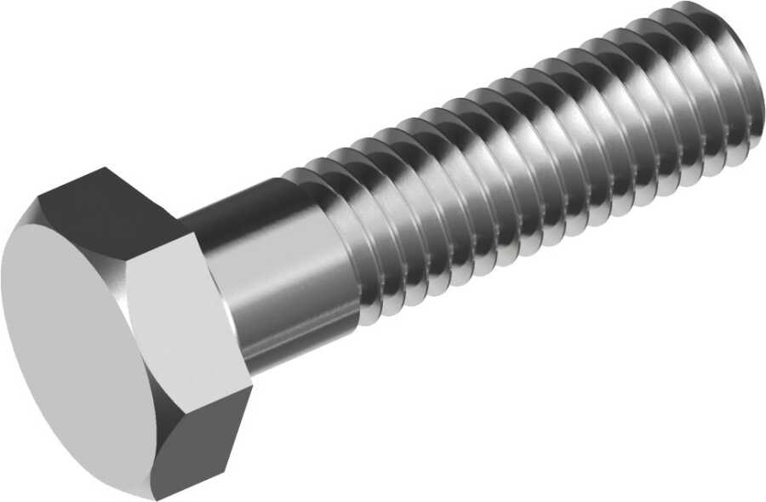
DIN 931 ISO 4014 PARTIALLY THREADED HEXAGON HEAD BOLT

DIN 931 ISO 4014 UNI 5737 partially threaded hexagon head bolts is used in machinery and equipment assembly,structural steelwork,automotive and heavy industry,where shear strength is important in the unthreaded portion

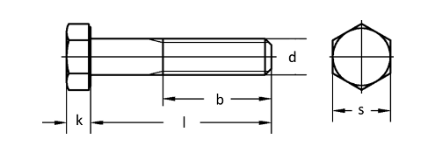

Quality
Steel: 8.8,10.9,12.9
Stainless Steel:A2,A4
Thread:6g

Coatings

Whether you need Zinc plating, PTFE coatings, or any other surface treatment, we've got you covered.
Such as: Zinc plating, Zinc-Nickel plating, Zinc-Flake coatings like Geomet, Dörken, Magni, Corundum, PTFE coatings like Xylan, Xylar, Lubo lubrication, Hot dip galvanising, HDG, Sherardising, Passivating, Antifricor, Powdercoating, Mechanical Zinc, Zinc-Iron... etc.
And the best part? We offer competitive prices and have a variety of options in stock, ready to meet your demand.

Make A gallery for coated bolts

Weight Chart

